Dashboard Creation
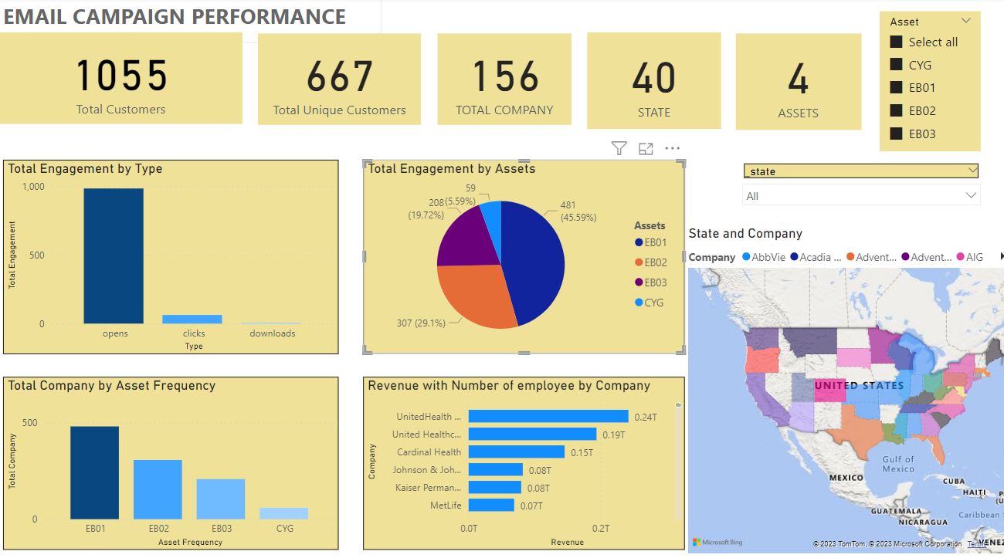
Scenario: Client A requested a dashboard for email campaign performance. Refer to Campaign Performance tab, create a dashboard that includes all the important aspects, you may also use other tools such as Data Studio and Power BI, then insert your dashboard in the yellow highlighted area (insert the link that can be used to access to your dashboard if you are using other tools).

Questions:

Insert your dashboard here:

